Server Components
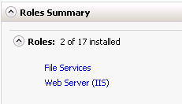
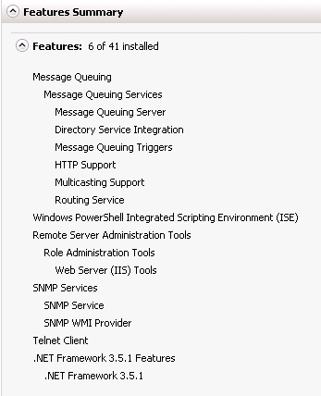
Pre-Requisites
OS | Windows 2008 R2 64 bit
Bladelogic Agent | 8.x
IBM Websphere MQ Client | 7.0.1.6 or higher
Web Server Role (IIS) | 7.5
NET Framework | 3.5.1 feature
 | NET Framework 4.0 (64-Bit)
 | NET Framework 4.5
 | NET Framework 4.5.1
Other Roles/features | File Services role
 | Telnet Client feature
 | Message Queuing feature
IIS Advanced Logging 1.0 | 1.0.0625.10
UrlScan Filter v3.1 | 3.1.0303

Services
IIS | Default Location
NexusPortal | D:\Program Files\Nexus Portal\NexusPortal.exe -sNexusPortal | ??ServiceAccount??
Gnash | D:\Program Files\Gnash\Gnash.exe | ??ServiceAccount?? - migrated Symba service
EIGateway | d:\Program Files\EIGateway\EIGateway.exe -sEIGateway | ??ServiceAccount?? - migrated Symba service

Folders
SYM-BLS | D:\NWS KeyLoader
 | D:\IntegrationWebServices
 | D:\Services
 | D:\Program Files\Nexus Portal
 | D:\Program Files\Pershing
 | D:\Program Files\BusTeamworksAdaptor
 | D:\Program Files\EIGateway
 | D:\Program Files\ExceptionReportingService
 | D:\Program Files\FileService
 | D:\Program Files\Gnash
 | D:\Program Files\GnashUI
 | D:\Program Files\LoggingService
 | D:\Program Files\MailProcessor
 | D:\Program Files\Pershing Ltd
 | D:\Program Files\ProcessThrottler
 | D:\Program Files\Translation
IISLOGS | D:\IISLOGS\Nexus
 | D:\IISLOGS\Integration
 | D:\IISLOGS\PershingServices
 | D:\IISLOGS\services
PershingServices | D:\Nexus\PershingServices
 | D:\TeamworksBusAdaptor\TeamworksBusAdaptor
 | D:\IISLOGS\TeamworksBusAdaptor
Configuration Files
machine.config | C:\Windows\Microsoft.NET\Framework\xxxxxxxx\CONFIG
Environments.xml | C:\PershingConfig
URLScan Config | C:\Windows\System32\inetsrv\urlscan\UrlScan.ini

AppPools
DefaultAppPool | ApplicationPoolIdentity
NexusAppPool | ??Identity?? | possibly not required anymore
ServicesAppPool | ??Identity??
IntegrationAppPool | ??Identity??
TeamworksBusAdaptorAppPool | ??Identity??
WebSites
Default Web Site
Integration
Nexus |  | possibly not required anymore
services
TeamworksBusAdaptor
Certificates
Personal (Local machine) | bls ssl cert | Dev(blsnexusdailybuild) QAT(blsnexusintegration) UAT(blsnexusuat) XAT(blsnexusxat) LIVE(blsnexuslive)
 | nexus Live cert (SAN) | ALL Environments(www.nexuscomplete.com) ALL NON-PROD(acceptance.nexuscomplete.com) Live(www.nexuscomplete.com)
Trusted Root (Local machine) | bls ssl cert | Dev(blsnexusdailybuild) QAT(blsnexusintegration) UAT(blsnexusuat) XAT(blsnexusxat) LIVE(blsnexuslive)
Trusted Publishers (Local machine) | code signing cert | Dev(dev.nexuscomplete.com) QAT(qat.nexuscomplete.com) UAT(acceptance.nexuscomplete.com) XAT(xat.nexuscomplete.com) LIVE(www.nexuscomplete.com) ALL NON-PROD(acceptance.nexuscomplete.com) Live(www.nexuscomplete.com)

Database

Registry

